Indices

 | Iraq Stock Exchange
 | Bulletin No (73)
 | ISX Trading Indices of Tuesday 28/4/2026

 | Traded Volume and OTC |  | 867,945,271 |  | Traded Value and OTC |  | 1,520,846,070 |  | Traders | 1361

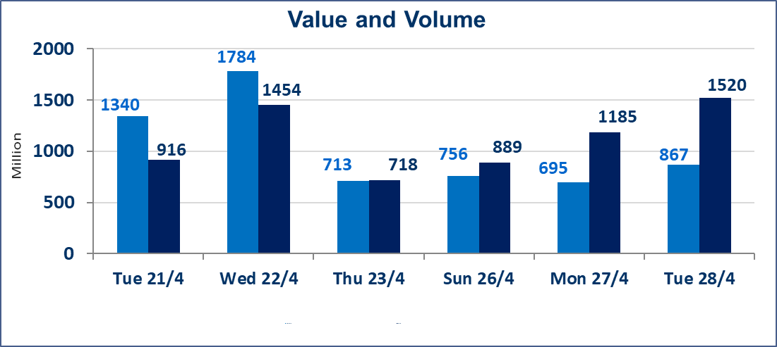
 | ISX Index 60 |  |  | 978.41 | ISX Index 15 |  |  | 1248.00
 | Previous ISX Index60 |  |  | 977.47 | Previous ISX Index15 |  |  | 1287.53
 | Change % |  |  | 0.10 | Change % |  |  | -3.07
 | Change |  |  | 0.94 | Change |  |  | -39.53

 | Listed Companies | 104 | OTC | 14 | Non Traded listed | 46 | OTC | 13
 | Traded Listed Companies | 49 | OTC | 1 | Higher Companies |  |  | 15
 | GAM Companies |  |  | 1 | Lower Companies |  |  | 14
 | Suspended Companies |  |  | 8
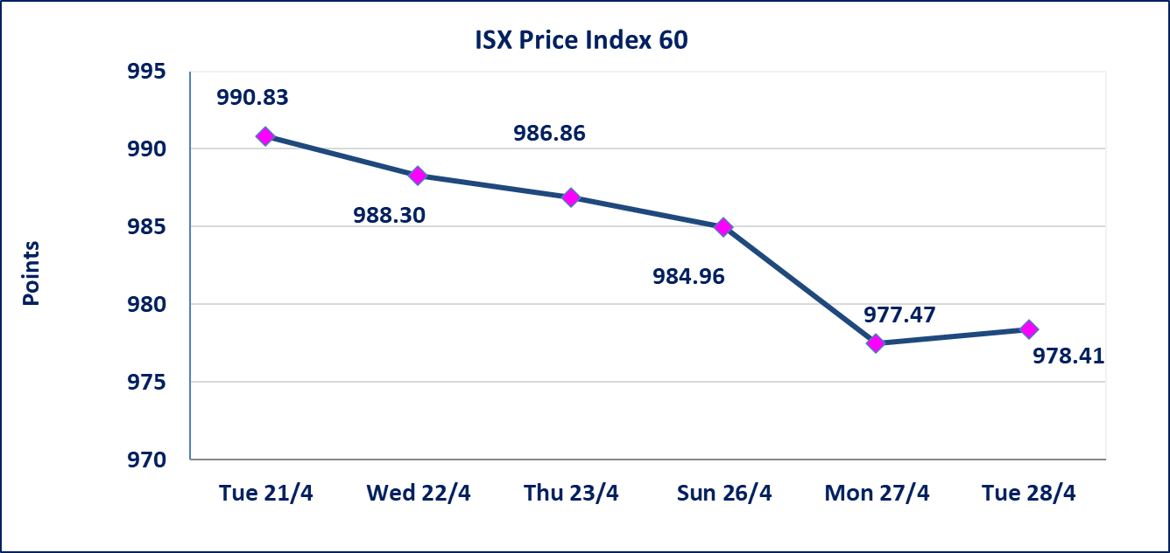
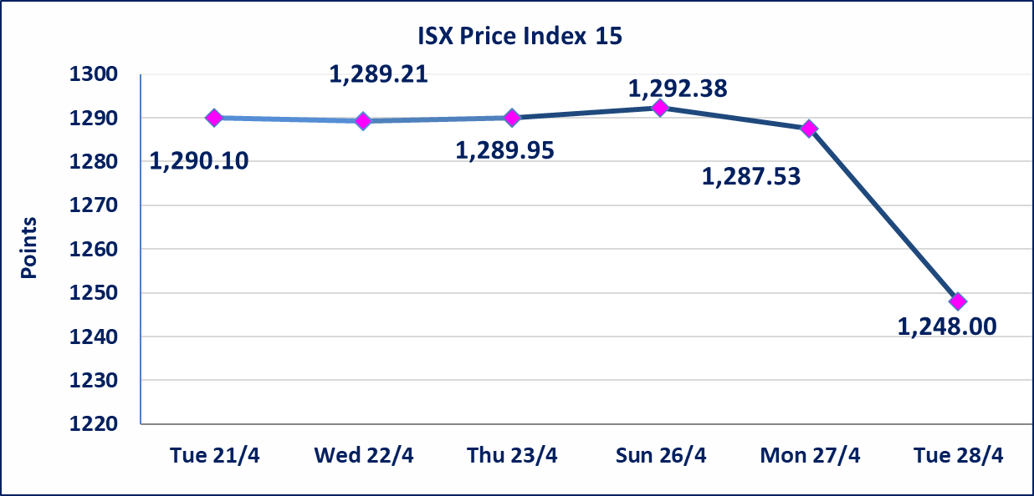

Al-Alwiya P.O . 3607 Mobile: 07711211522 - 07270094594 - 07834000034 E-mail: info-isx@isx-iq.net Web site:www.isx-iq.net

Top 5
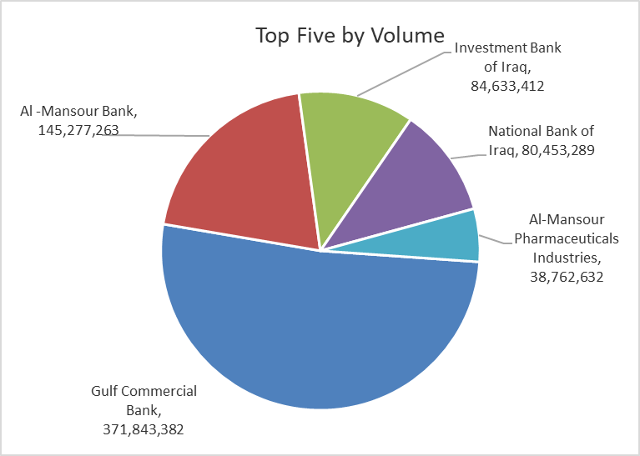
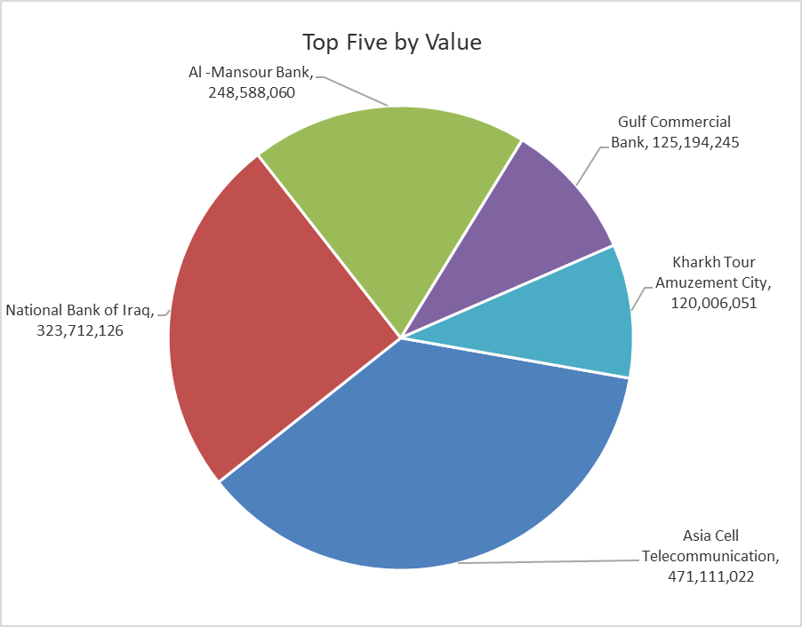

ISX top ganing and losing companies
Tuesday 28/4/2026
 | Gainers |  |  |  | Losers
 | Company Name | Closing Price | Change (%) | Traded Volume | Company Name | Closing Price | Change (%) | Traded Volume
 | Al-Hamraa for Insurance | 4.770 | 4.84 | 66,626 | Mansour Hotel | 47.600 | -4.80 | 2,546
 | Investment Bank of Iraq | 0.230 | 4.55 | 84,633,412 | National Furniture Industries | 0.860 | -4.44 | 1,026,603
 | Al -Khazer Construction Materials | 1.290 | 3.20 | 1,165 | Ashur International Bank | 0.240 | -4.00 | 32,532,104
 | Al-Taif Islamic Bank | 0.660 | 3.13 | 67,695 | Iraqi Carton Manufactories | 2.510 | -3.46 | 300,000
 | Agricultural Products Meat | 4.440 | 3.02 | 10,000 | Modern for Animal Production | 0.370 | -2.63 | 51,961
 | The most active companies in term of traded volume and value

 | Traded Volume |  |  |  | Traded Value
 | Company Name | Closing Price | Change (%) | Traded Volume | Company Name | Closing Price | Change (%) | Traded Value
 | Gulf Commercial Bank | 0.350 | 2.94 | 371,843,382 | Asia Cell Telecommunication | 16.590 | 0.42 | 471,111,022
 | Al -Mansour Bank | 1.710 | 0.59 | 145,277,263 | National Bank of Iraq | 3.920 | -22.83 | 323,712,126
 | Investment Bank of Iraq | 0.230 | 4.55 | 84,633,412 | Al -Mansour Bank | 1.710 | 0.59 | 248,588,060
 | National Bank of Iraq | 3.920 | -22.83 | 80,453,289 | Gulf Commercial Bank | 0.350 | 2.94 | 125,194,245
 | Al-Mansour Pharmaceuticals Industries | 2.260 | 0.44 | 38,762,632 | Kharkh Tour Amuzement City | 4.780 | -2.45 | 120,006,051

Not Trading Bonds

Iraq Stock Exchange
Tuesday 28/4/2026
Not Trading Bonds Bulletin
Bond type | Publish type | Code | last trading price | immortilize date
Banaa Bonds /Million ID | Second | CB20 | 964,981 | 19/12/2025
Eamar Bonds /Million ID | First | CB30 | 1,001,095 | ــــــــــــــــ
Eamar Bonds /Million ID | Second | CB40 | ــــــــــــــــ | ــــــــــــــــ
Eamar Bonds /500 Thousand ID | Third | CB45 | ــــــــــــــــ | ــــــــــــــــ
Eamar Bonds /Million ID | Third | CB50 | ــــــــــــــــ | ــــــــــــــــ
Injaz Bonds /500 Thousand ID | First | CB55 | ــــــــــــــــ | ــــــــــــــــ
Injaz Bonds /Million ID | First | CB60 | 951,110 | ــــــــــــــــ
Injaz Bonds /500 Thousand ID | Second | CB65 | 507,301 | ــــــــــــــــ
Injaz Bonds /Million ID | Second | CB70 | 965,050 | ــــــــــــــــ
Injaz Bonds /500 Thousand ID | Third | CB75 | ــــــــــــــــ | ــــــــــــــــ
Injaz Bonds /Million ID | Third | CB80 | 978,182 | ــــــــــــــــ
National Bonds/Million ID | First | CB90 | ــــــــــــــــ | ــــــــــــــــ
National Bonds/500 Thousand ID | Second | CB95 | ــــــــــــــــ | ــــــــــــــــ
National Bonds/Million ID | Second | CB100 | ــــــــــــــــ | ــــــــــــــــ

